AlphaTestPlan
Test Plan
Bitbucket Repository Link: | [https://github.com/jwellman1307/GAM305_Team_One_FPS.git]
Test Feature | Description of Test | Pass/Fail | Bugs | Runtime Errors | Updates/Error Resolution
Level Start | The level loads in when the game starts | Pass | Merging conflicts on Git Hub with the levelBlockout Map | 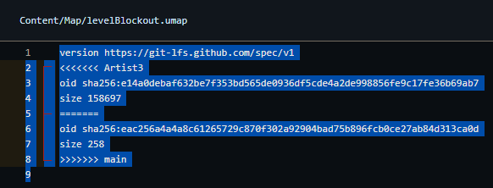 | Got rid of the first section and the "<<<<<<"
Player character Movement(WASD) | Player can move around on the map | Pass | None | None | Completed
Player camera | Player can visually look around smoothly | Pass | None | None | 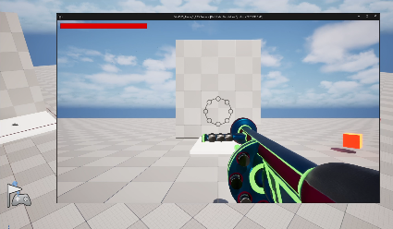 Completed
Worm enemy can damage | Worm enemy can damage player | Pass | None | None | 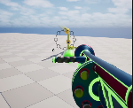 Completed
Worm enemy take damage | Worm enemy AI takes damage from player | Pass | None | None | Completed
Worm enemy defeated | Worm enemy can be defeated | Pass | None | None | 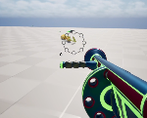 Completed
Spider enemy can damage | Spider enemy can damage the player | Pass | None | None | 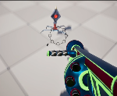 Completed
Spider enemy take damage | Spider enemy can take damage from the player | Pass | None | None | Completed
Spider enemy defeated | Spider enemy can be defeated | Pass | None | None | Completed
Healthbar takes damage | Healthbar is visible and goes down when player takes damage | Pass | None | None | Completed
Main Menu | Player can interact with the main menu | Pass | None | None | Completed
Pause Menu | Player can bring up and interact | Pass | None | None | Completed
Win Screen | Activates and triggers the win screen when the player walks into a platform on the ground | Pass | None | None | 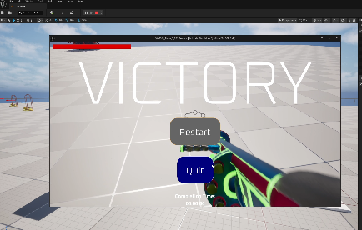 Completed
Lose Screen | Activates and pauses when the player's health bar reaches zero | Pass | Game did not pause when the player died | None | 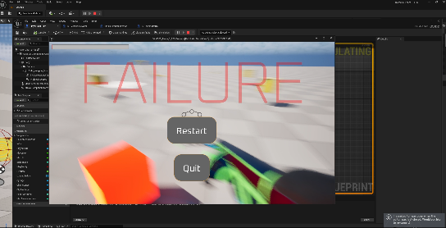 Added the program for the game to pause when the player dies. Completed
Replay | Player can interact | Pass | None | None | Completed
Sound | Tested the sound for the gun shooting and reloading. Also tested for the sound when the player walks into the item pick-ups. | Pass | Still making adjustments | None | 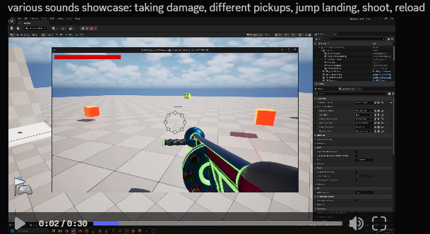
Elevators(Up and down) | Elevators function when player steps on platfor | Pass | None | None | Created one up and down platform. Will still need the additional
Elevators(Side to side) | Elevators function when player steps on platform | Fail | No bugs, pushed to Beta release | None | Still need to create the side to side elevators
Pick up items | Player can up pick up three unique items | Pass | Three placeholders in place until the the art designs have been completed | None | 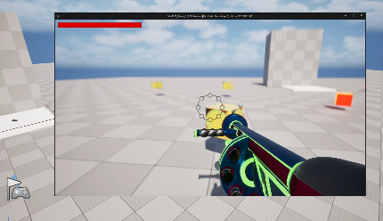 Picks up function as they should. Need assets
Collision | Proper collision | Pass | making adjustments along the way | None | Ongoing into Beta
Shooting | Player can shoot | Pass | None | None | 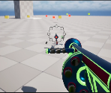 Completed
Rooms | Player can access and explore at least four rooms | Pass | None | None

